ConverterSheet
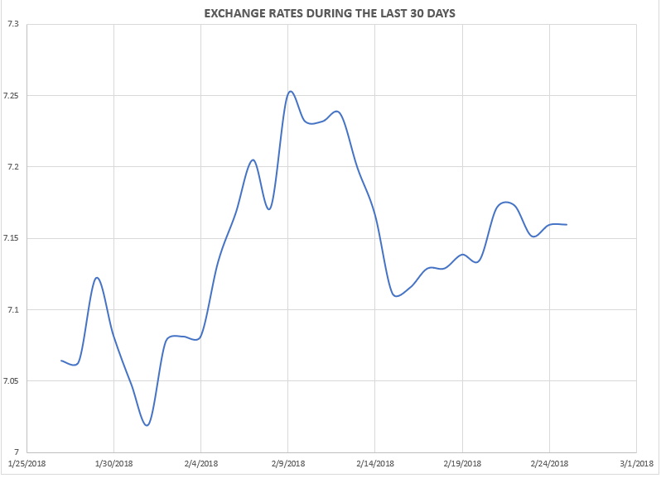
 | AS OF AUGUST 2
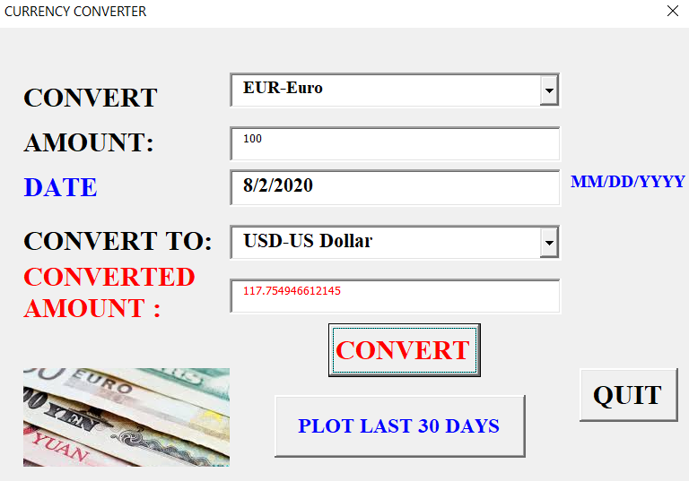
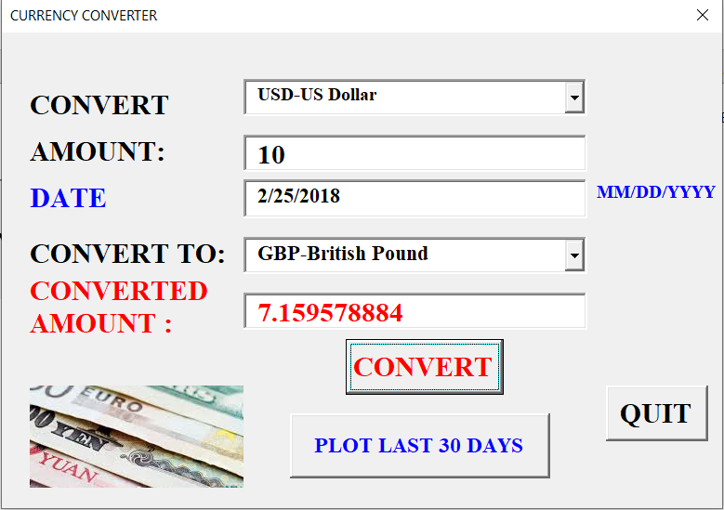

SCREENSHOTS>>>>>

 |  | 2/25/2018 TESTING CHARLIES EXAMPLE

Last 30 Days Plot
EXCHANGE RATES DURING THE LAST 30 DAYS
7/4/2018 | 17.913899695
7/5/2018 | 17.900001403
7/6/2018 | 17.874731006
7/7/2018 | 17.886569991
7/8/2018 | 17.889820576
7/9/2018 | 17.706498157
7/10/2018 | 17.775160002
7/11/2018 | 17.88994126
7/12/2018 | 17.842881293
7/13/2018 | 17.834366485
7/14/2018 | 17.822754522
7/15/2018 | 17.823547637
7/16/2018 | 17.845655268
7/17/2018 | 17.806891739
7/18/2018 | 17.651097113
7/19/2018 | 17.714865167
7/20/2018 | 17.693796845
7/21/2018 | 17.68614815
7/22/2018 | 17.683328266
7/23/2018 | 17.756303167
7/24/2018 | 17.714462701
7/25/2018 | 17.738679563
7/26/2018 | 17.765294196
7/27/2018 | 17.707818929
7/28/2018 | 17.706381988
7/29/2018 | 17.708852634
7/30/2018 | 17.735450289
7/31/2018 | 17.646706579
8/1/2018 | 17.722532436
8/2/2018 | 17.667558935

